Sheet1
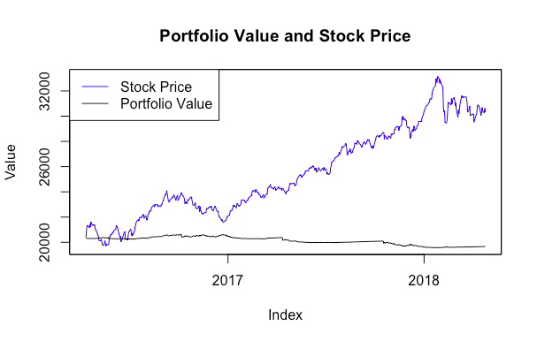
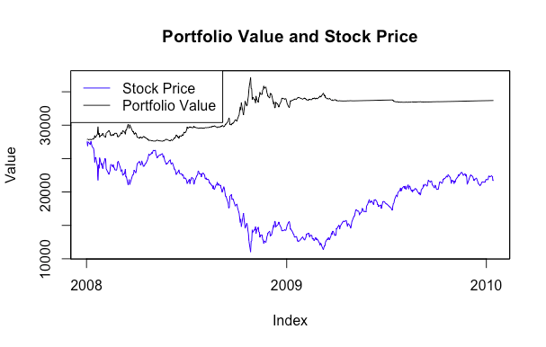
Summary Statistics for Investor Return
Minimum | 1st quantile | Median | Mean | 3th quantile | Maximum | Standard Deviation | Skewness | Kurtosis
-3.47% | -3.47% | -0.49% | 2.57% | 6.62% | 34.62% | 0.07546 | 1.34159 | 1.23119

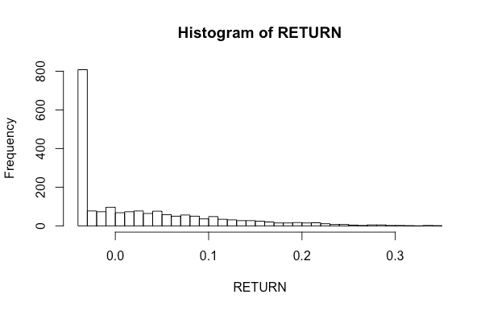

Summary Statistics for Bank Return
Minimum | 1st quantile | Median | Mean | 3th quantile | Maximum | Standard Deviation | Skewness | Kurtosis
0.10% | 0.88% | 1.28% | 1.48% | 2.09% | 3.26% | 0.00787 | 0.56032 | -0.72224

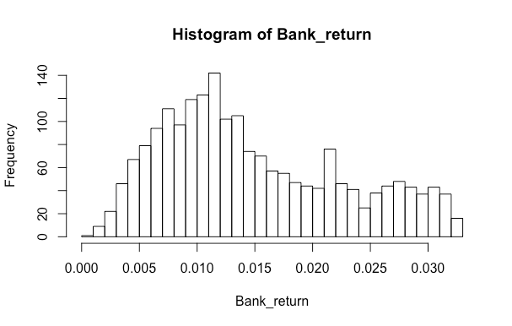

We chose 2 periods to separately backtest our strategy. The first period is during the Great Recession from December 31, 2007 to January 14, 2010, when the market was in a significant bear trend. Our backtest return is 21.15%. The other period is from April 8, 2016 to April 25, 2018, when the Hong Kong market is experiencing a long bull market. Our backtest return is -3.47%.

